Sheet1
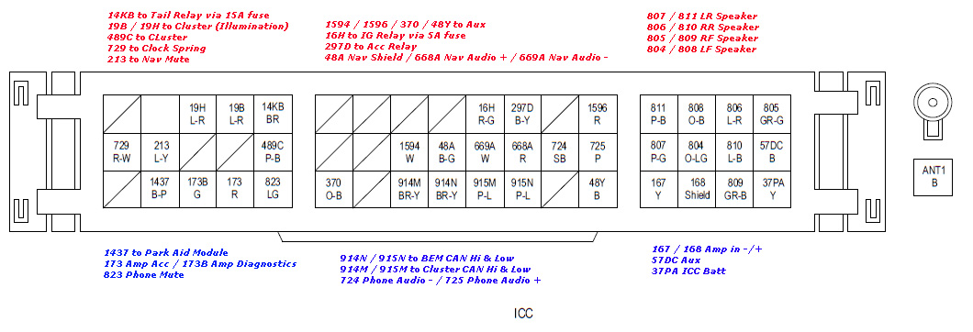
Name | Position | Input/Output | Description | Required/Optional | Replicate the Connection | Certain
Tail Relay (via 15A fuse) | 14KB | Input | Ground for illumination (ie. when taillights are on) | Optional | NA / input | Unsure
Cluster (illumination) | 19B/19H | Input | Illumination for cluster | Optional | NA / input | No Idea
Cluster | 489C | UNSURE | Global CAN BUS wake up | UNSURE
Clock Spring | 729 | Input | Steering wheel controls (SWC) | Optional | NA / input
Nav Mute | 213 | Input | To swap between current sound and navigation, when audio fitted | Optional | NA / input
Aux | 1594/1596/370/48Y | Input | 6 pin connector, FL FR RL RR GND and loop bridge | Optional | NA / input
IG (Ignition) Relay (via 5A fuse) | 16H | Input | 12v when key is in ignition position | Optional | NA / input
ACC (Accessories) Relay | 297D | Input | 12v when key is in acc position | Optional | NA / input
LR Speaker | 807/811 | Output | Speaker out | Optional | Send audio signal through direct wiring
RR Speaker | 806/810 | Output | Speaker out | Optional | Send audio signal through direct wiring
RF Speaker | 805/809 | Output | Speaker out | Optional | Send audio signal through direct wiring
LF Speaker | 804/808 | Output | Speaker out | Optional | Send audio signal through direct wiring
Park Aid Module | 1437 | Input | Parking sensor | Optional | NA / input
Amp Acc / Amp Diagnostics | 173/173B | Output | Possibly sends diagnostic codes??? | Optional | NA / input
Phone Mute | 823 | Input | Goes to 4 pin connector, 12V constant, 12V acc, phone mute, ground | Optional | NA / input
BEM CAN Hi & Low | 914N/915N | Input/Output | CAN BUS System | Required | Decode input / send appropriate output
Cluster CAN Hi & Low | 914M/915M | Input/Output | CAN BUS System | Required | Decode input / send appropriate output
Phone Audio -+ | 724/725 | Input | Goes to 2 pin connector +- audio signal | Optional | NA / input
Amp in -+ | 167/168 | Input | signal input to amp +- | Optional | NA / input
Aux | 57DC | Input | Ground | Optional | NA / input
ICC Bat | 37PA | Input | Power to the ICC | Optional | NA / input

